Tax Scales
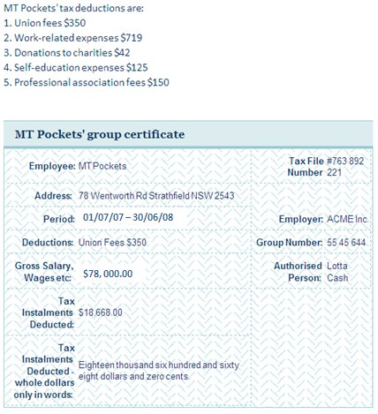
Tax scale 2007 - 2008 |  |  |  |  |  | Tax scale 2008 - 2009

Gross income |  |  |  |  |  | Gross income
Deductions |  |  |  |  |  | Deductions

Taxable income |  | $0.00 |  |  |  | Taxable income |  | $0.00

Tax table 2007-2008 |  |  |  |  |  | Tax table 2008-2009
Bracket |  | Marginal rate | Tax payable |  |  | Bracket |  | Marginal rate | Tax payable
$1 | $6,000 | 0% |  |  |  | $1 | $6,000 | 0%
$6,001 | $30,000 | 15% |  |  |  | $6,001 | $34,000 | 15%
$30,001 | $75,000 | 30% |  |  |  | $34,001 | $80,000 | 30%
$75,001 | $150,000 | 40% |  |  |  | $80,001 | $180,000 | 40%
$150,001 | or greater | 45% |  |  |  | $180,001 | or greater | 45%

Income tax payable |  | $0.00 |  |  |  | Income tax payable |  | $0.00
Weekly tax payable |  | $0.00 |  |  |  | Weekly tax payable |  | $0.00

Medicare levy |  |  |  |  |  | Medicare levy
Bracket |  | Rate | Levy |  |  | Bracket |  | Rate | Levy
$13,389 | $14,474 | 0.200 |  |  |  | $17,309 | $20,363 | 0.100
$14,475 | or greater | 0.015 |  |  |  | $20,364 | or greater | 0.015

Medicare levy |  | $0.00 |  | Income tax payable '08-'09 | $0.00 | Medicare levy |  | $0.00
Total tax payable '07-'08 |  | $0.00 |  | Income tax payable '07-'08 | $0.00 | Total tax payable '08-'09 |  | $0.00
NET income |  | $0.00 |  | Difference in tax payable | $0.00 | NET income |  | $0.00

